Bugs
Bugs
My Heroes for User does not work
Workaround - sort list by User and then click My Heroes
When going for search of My Heroes, Add Hero form appears
Logout button on landing page
Next page button is hard to get due to font
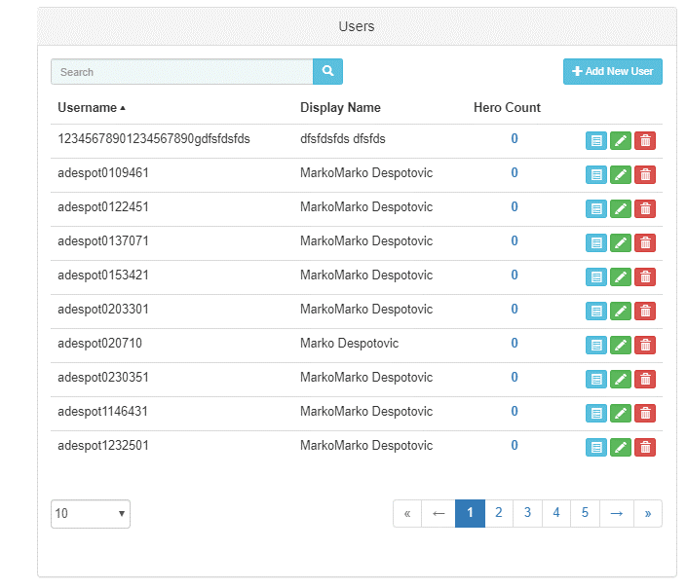
After bad login, refreshing page does not remove error message
If session expires while in add user form, some rules can be workarounded
Creating new user does not populate Users table correctly, id is not incremented
Add parameters on API page
GET api heroes by id and level have the same semantics
Get last and first n users seem inverted

